Sheet1
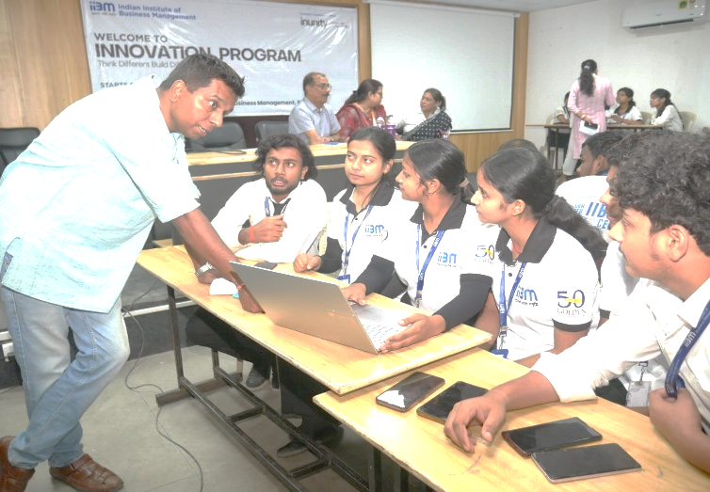
NAME | PYTHON MARKS | C MARKS | OS MARKS | TOTAL MARKS | PERCENTAGE
STUDENT 1 | 56 | 82 | 25 | 163 | 54%
STUDENT 2 | 75 | 94 | 84 | 253 | 84%
STUDENT 3 | 88 | 98 | 46 | 232 | 77%
STUDENT 4 | 56 | 46 | 31 | 133 | 44%
STUDENT 5 | 64 | 85 | 30 | 179 | 60%
STUDENT 6 | 59 | 30 | 98 | 187 | 62%
STUDENT 7 | 45 | 31 | 36 | 112 | 37%
STUDENT 8 | 80 | 54 | 48 | 182 | 61%
STUDENT 9 | 71 | 38 | 81 | 190 | 63%

